Case Study
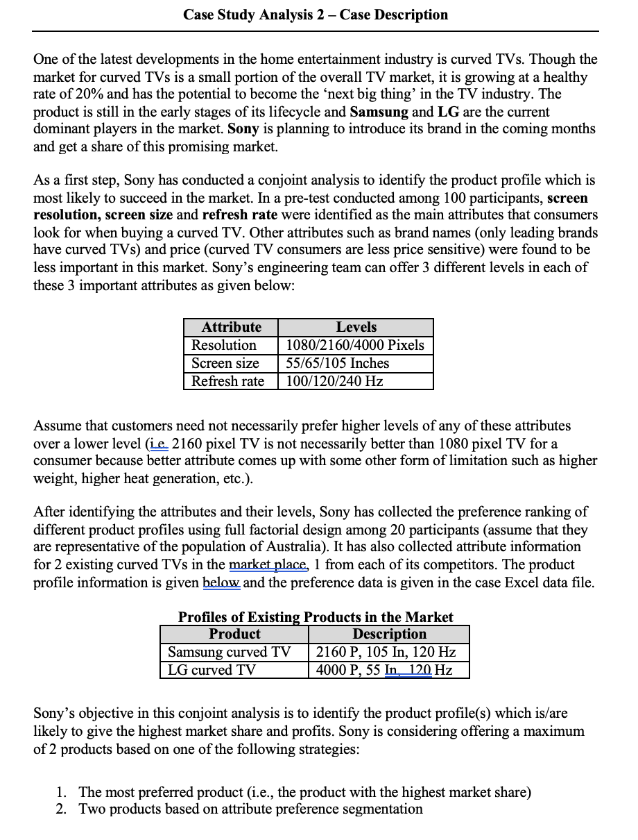


Appendix
 | Formula Overview
 | 1. =MAX(RANGE)-MIN(RANGE)
 | 2. Conjoint Preference Linear Form = Part-worth of Attribute1 (I)*Attribute Level + Part-worth of Attribute2 (I)*Attribute Level2 + Part-worth of Attribute3 (I)*Attribute Level3 + etc.
 | 3. Pr(B1) = exp(Att. Of B1) / (exp(Att. of B1) + (Att. of B2) + exp(Att of. B3) etc.
 | 4. Pr(B1) = exp(Att. Of B1) / (exp(Att. of B1, Profile 1) + exp(Att. of B1, Profile 2) + (Att. of B2) + exp(Att of. B3) etc.
 | 5. Profit 1 product = (Total Market size*Market share 1 Product)*Margin from product
 | 6. Profit 2 products = (Total Market size*Market share 2 Products)*Margin from product - Additional costs
 | 7. Value in Future Period = Value in Year 0 * (1 + Growth Rate) ^Number of Years

 | Reference list


 | Table 1

 | Table 2
 | SUMMARY OUTPUT PARTICIPANT 1

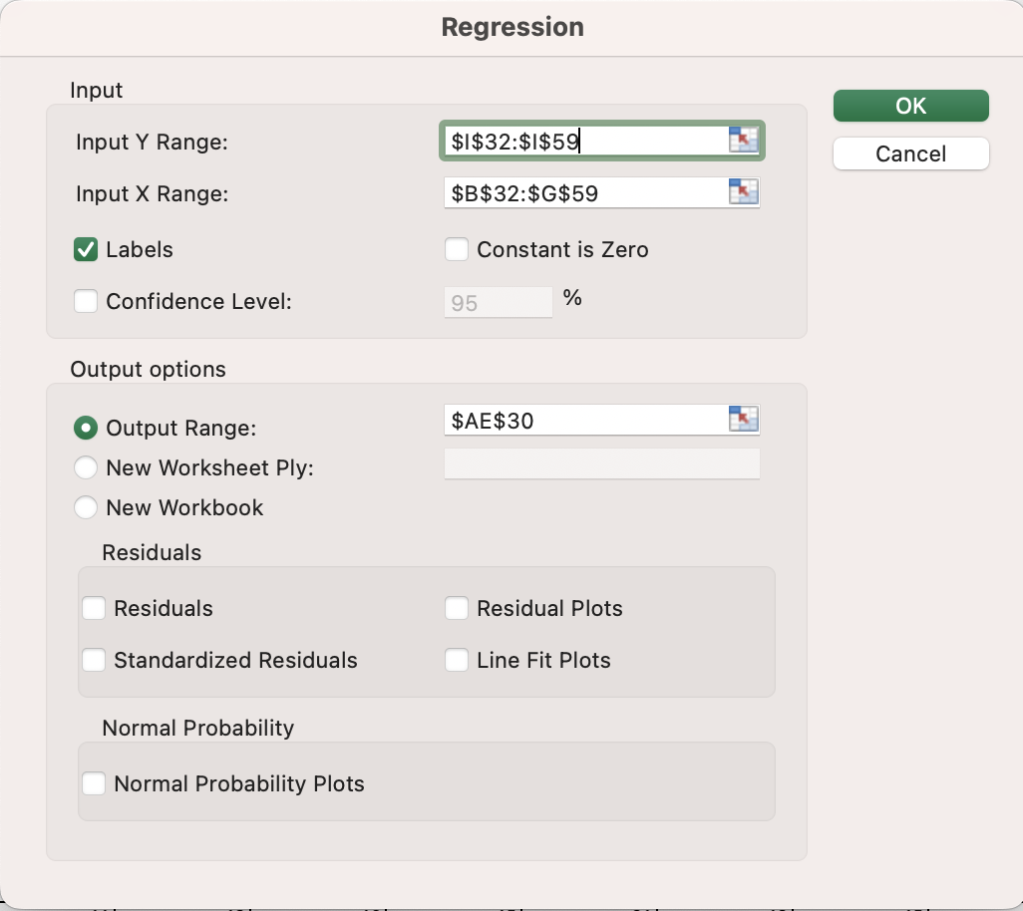
 | Regression Statistics
 | Multiple R | 0.98867553364
 | R Square | 0.97747931081
 | Adjusted R Square | 0.97072310406
 | Standard Error | 1.3581032525
 | Observations | 27

 | ANOVA
 |  | df | SS | MS | F | Significance F
 | Regression | 6 | 1601.1111111 | 266.85185185 | 144.67871486 | 2.1251754697E-15
 | Residual | 20 | 36.888888889 | 1.8444444444
 | Total | 26 | 1638

 |  | Coefficients | Standard Error | t Stat | P-value | Lower 95% | Upper 95% | Lower 95.0% | Upper 95.0%
 | Intercept | -2.4444444444 | 0.69151232846 | -3.5349253279 | 0.0020798465425 | -3.8869138849 | -1.0019750039 | -3.8869138849 | -1.0019750039
 | 2160 | 5.4444444444 | 0.64021601293 | 8.5040741476 | 4.4779729249E-08 | 4.1089772431 | 6.7799116458 | 4.1089772431 | 6.7799116458
 | 4000 | 9.5555555556 | 0.64021601293 | 14.925517892 | 2.6377996603E-12 | 8.2200883542 | 10.891022757 | 8.2200883542 | 10.891022757
 | 55 | 3.2222222222 | 0.64021601293 | 5.0330234751 | 6.3709181546E-05 | 1.8867550209 | 4.5576894235 | 1.8867550209 | 4.5576894235
 | 65 | 4.7777777778 | 0.64021601293 | 7.4627589459 | 3.353803254E-07 | 3.4423105765 | 6.1132449791 | 3.4423105765 | 6.1132449791
 | 120 | 11.666666667 | 0.64021601293 | 18.223016031 | 6.330289209E-14 | 10.331199465 | 13.002133868 | 10.331199465 | 13.002133868
 | 100 | 14.666666667 | 0.64021601293 | 22.908934439 | 7.9642687924E-16 | 13.331199465 | 16.002133868 | 13.331199465 | 16.002133868

 | Table 3
 | SUMMARY OUTPUT PARTICIPANT 2

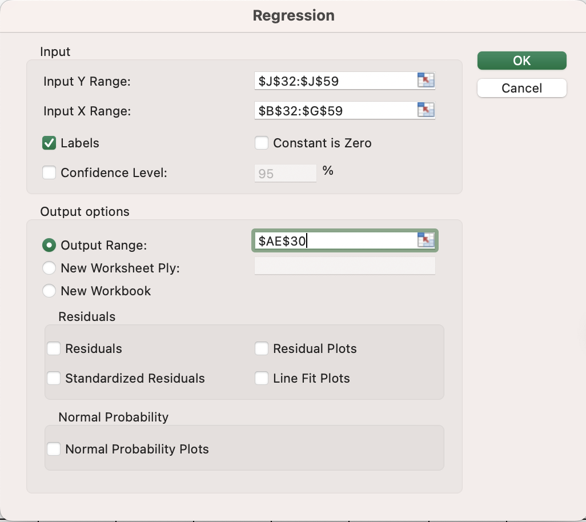
 | Regression Statistics
 | Multiple R | 0.99203174552
 | R Square | 0.98412698413
 | Adjusted R Square | 0.97936507937
 | Standard Error | 1.1401754251
 | Observations | 27

 | ANOVA
 |  | df | SS | MS | F | Significance F
 | Regression | 6 | 1612 | 268.66666667 | 206.66666667 | 6.5089982528E-17
 | Residual | 20 | 26 | 1.3
 | Total | 26 | 1638

 |  | Coefficients | Standard Error | t Stat | P-value | Lower 95% | Upper 95% | Lower 95.0% | Upper 95.0%
 | Intercept | -1.1111111111 | 0.58054891012 | -1.9138975059 | 0.070053208348 | -2.322114917 | 0.099892694741 | -2.322114917 | 0.099892694741
 | 2160 | 15.888888889 | 0.53748384989 | 29.561611744 | 5.5966239869E-18 | 14.767717225 | 17.010060553 | 14.767717225 | 17.010060553
 | 4000 | 6.4444444444 | 0.53748384989 | 11.990024344 | 1.379681039E-10 | 5.3232727801 | 7.5656161088 | 5.3232727801 | 7.5656161088
 | 55 | 2.8888888889 | 0.53748384989 | 5.3748384989 | 2.9216683523E-05 | 1.7677172245 | 4.0100605532 | 1.7677172245 | 4.0100605532
 | 65 | 4.7777777778 | 0.53748384989 | 8.8891559789 | 2.2045423422E-08 | 3.6566061134 | 5.8989494421 | 3.6566061134 | 5.8989494421
 | 120 | 7.1111111111 | 0.53748384989 | 13.23037169 | 2.3782852489E-11 | 5.9899394468 | 8.2322827755 | 5.9899394468 | 8.2322827755
 | 100 | 8.2222222222 | 0.53748384989 | 15.297617266 | 1.6741880814E-12 | 7.1010505579 | 9.3433938866 | 7.1010505579 | 9.3433938866

 | Table 4
 | SUMMARY OUTPUT PARTICIPANT 3
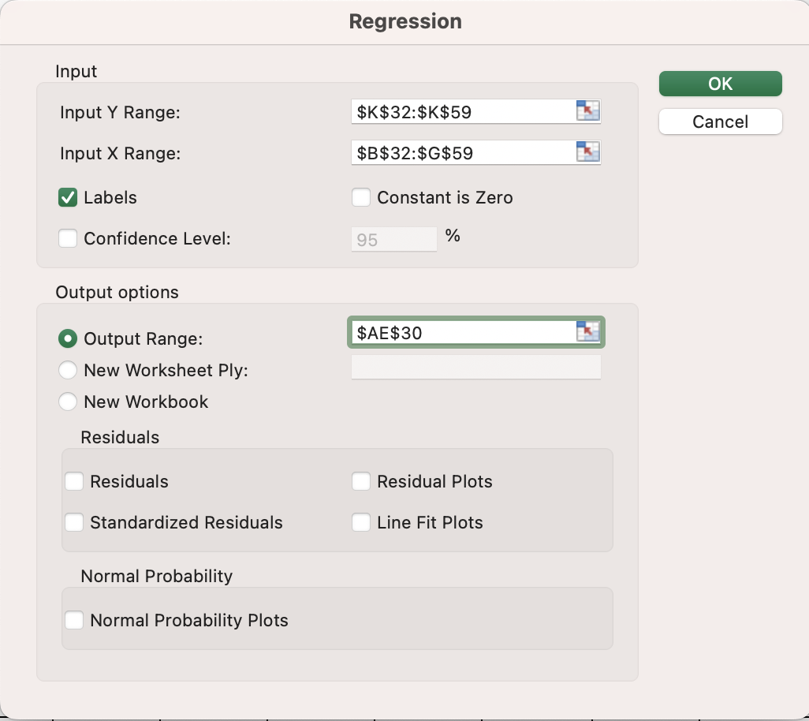
 | Regression Statistics
 | Multiple R | 0.98496360516
 | R Square | 0.97015330349
 | Adjusted R Square | 0.96119929453
 | Standard Error | 1.5634719199
 | Observations | 27

 | ANOVA
 |  | df | SS | MS | F | Significance F
 | Regression | 6 | 1589.1111111 | 264.85185185 | 108.34848485 | 3.5044193488E-14
 | Residual | 20 | 48.888888889 | 2.4444444444
 | Total | 26 | 1638

 |  | Coefficients | Standard Error | t Stat | P-value | Lower 95% | Upper 95% | Lower 95.0% | Upper 95.0%
 | Intercept | -3.6666666667 | 0.79608093556 | -4.6058968415 | 0.00017098486772 | -5.3272623993 | -2.006070934 | -5.3272623993 | -2.006070934
 | 2160 | 6.1111111111 | 0.73702773119 | 8.2915619759 | 6.6754768728E-08 | 4.5736982042 | 7.648524018 | 4.5736982042 | 7.648524018
 | 4000 | 4.8888888889 | 0.73702773119 | 6.6332495807 | 1.8504393699E-06 | 3.351475982 | 6.4263017958 | 3.351475982 | 6.4263017958
 | 55 | 7.6666666667 | 0.73702773119 | 10.402141388 | 1.623720447E-09 | 6.1292537598 | 9.2040795736 | 6.1292537598 | 9.2040795736
 | 65 | 10 | 0.73702773119 | 13.568010506 | 1.507774339E-11 | 8.4625870931 | 11.537412907 | 8.4625870931 | 11.537412907
 | 120 | 13.222222222 | 0.73702773119 | 17.939925002 | 8.5100206654E-14 | 11.684809315 | 14.759635129 | 11.684809315 | 14.759635129
 | 100 | 11.111111111 | 0.73702773119 | 15.075567229 | 2.1934566686E-12 | 9.5736982042 | 12.648524018 | 9.5736982042 | 12.648524018

 | Table 5
 | SUMMARY OUTPUT PARTICIPANT 4

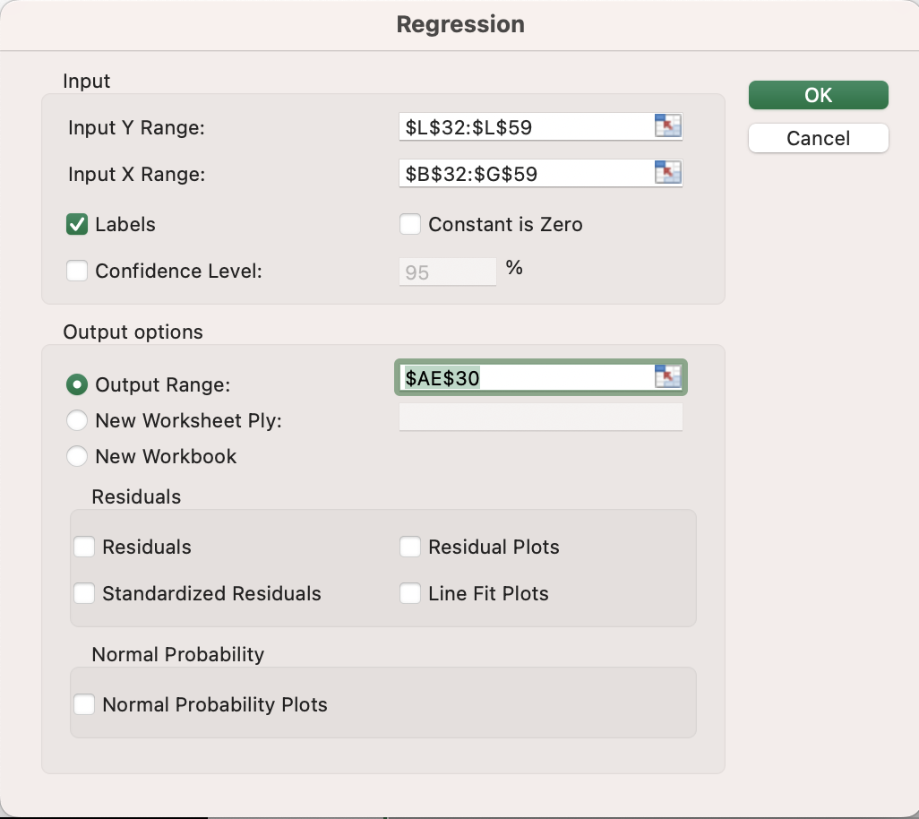
 | Regression Statistics
 | Multiple R | 0.98812649817
 | R Square | 0.97639397639
 | Adjusted R Square | 0.96931216931
 | Standard Error | 1.3904435743
 | Observations | 27

 | ANOVA
 |  | df | SS | MS | F | Significance F
 | Regression | 6 | 1599.3333333 | 266.55555556 | 137.87356322 | 3.3957146958E-15
 | Residual | 20 | 38.666666667 | 1.9333333333
 | Total | 26 | 1638

 |  | Coefficients | Standard Error | t Stat | P-value | Lower 95% | Upper 95% | Lower 95.0% | Upper 95.0%
 | Intercept | -1.8888888889 | 0.70797921431 | -2.6680004874 | 0.014775514463 | -3.3657076514 | -0.41207012641 | -3.3657076514 | -0.41207012641
 | 2160 | 4.1111111111 | 0.65546138683 | 6.2720874085 | 4.0048895392E-06 | 2.7438426171 | 5.4783796051 | 2.7438426171 | 5.4783796051
 | 4000 | 1.5555555556 | 0.65546138683 | 2.3732222627 | 0.027767928705 | 0.18828706153 | 2.9228240496 | 0.18828706153 | 2.9228240496
 | 55 | 13.222222222 | 0.65546138683 | 20.172389233 | 9.1671217338E-15 | 11.854953728 | 14.589490716 | 11.854953728 | 14.589490716
 | 65 | 9.7777777778 | 0.65546138683 | 14.91739708 | 2.6643848049E-12 | 8.4105092837 | 11.145046272 | 8.4105092837 | 11.145046272
 | 120 | 12.222222222 | 0.65546138683 | 18.64674635 | 4.0960407065E-14 | 10.854953728 | 13.589490716 | 10.854953728 | 13.589490716
 | 100 | 6.7777777778 | 0.65546138683 | 10.34046843 | 1.7964981302E-09 | 5.4105092837 | 8.1450462718 | 5.4105092837 | 8.1450462718

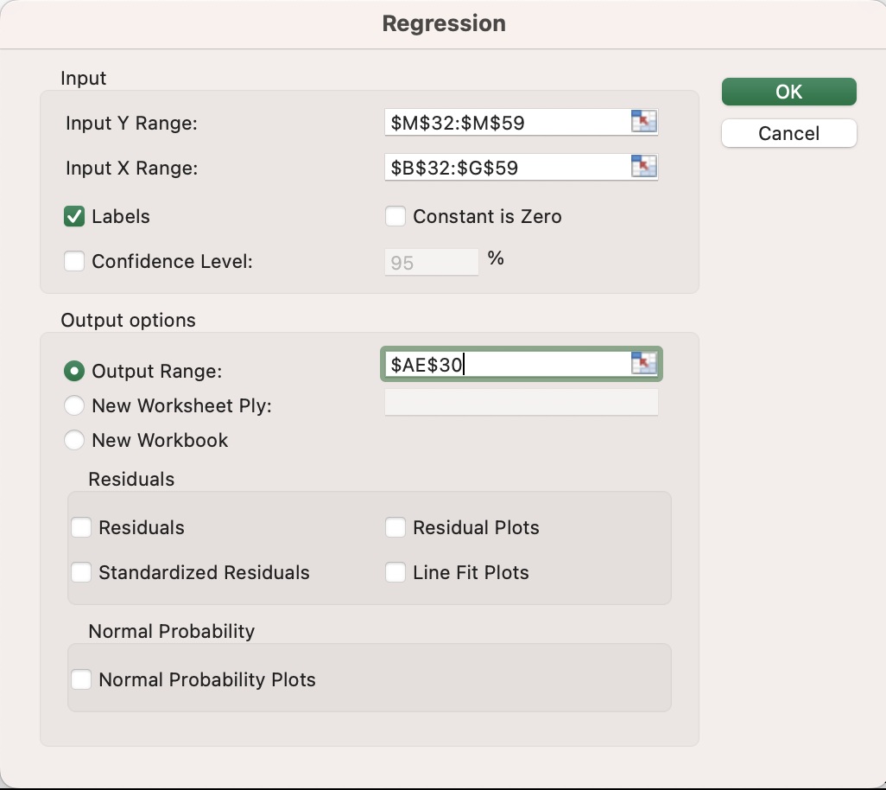
 | Table 6
 | SUMMARY OUTPUT PARTICIPANT 5

 | Regression Statistics
 | Multiple R | 0.98654631921
 | R Square | 0.97327363994
 | Adjusted R Square | 0.96525573192
 | Standard Error | 1.4794894014
 | Observations | 27

 | ANOVA
 |  | df | SS | MS | F | Significance F
 | Regression | 6 | 1594.2222222 | 265.7037037 | 121.38747885 | 1.1683686225E-14
 | Residual | 20 | 43.777777778 | 2.1888888889
 | Total | 26 | 1638

 |  | Coefficients | Standard Error | t Stat | P-value | Lower 95% | Upper 95% | Lower 95.0% | Upper 95.0%
 | Intercept | -3.6666666667 | 0.75331913021 | -4.8673484047 | 9.3295513631E-05 | -5.2380628364 | -2.0952704969 | -5.2380628364 | -2.0952704969
 | 2160 | 13.222222222 | 0.69743799229 | 18.958276389 | 2.9909297084E-14 | 11.767392064 | 14.677052381 | 11.767392064 | 14.677052381
 | 4000 | 10.777777778 | 0.69743799229 | 15.453384956 | 1.3879114777E-12 | 9.3229476191 | 12.232607936 | 9.3229476191 | 12.232607936
 | 55 | 7.3333333333 | 0.69743799229 | 10.5146743 | 1.3516075661E-09 | 5.8785031747 | 8.788163492 | 5.8785031747 | 8.788163492
 | 65 | 9 | 0.69743799229 | 12.904373005 | 3.7261901141E-11 | 7.5451698414 | 10.454830159 | 7.5451698414 | 10.454830159
 | 120 | 4.6666666667 | 0.69743799229 | 6.6911563727 | 1.6375684372E-06 | 3.211836508 | 6.1214968253 | 3.211836508 | 6.1214968253
 | 100 | 8 | 0.69743799229 | 11.470553782 | 3.0049337422E-10 | 6.5451698414 | 9.4548301586 | 6.5451698414 | 9.4548301586

 | Table 7
 | SUMMARY OUTPUT PARTICIPANT 6


 | Regression Statistics
 | Multiple R | 0.98888134335
 | R Square | 0.97788631122
 | Adjusted R Square | 0.97125220459
 | Standard Error | 1.3457752825
 | Observations | 27

 | ANOVA
 |  | df | SS | MS | F | Significance F
 | Regression | 6 | 1601.7777778 | 266.96296296 | 147.40286299 | 1.7722212254E-15
 | Residual | 20 | 36.222222222 | 1.8111111111
 | Total | 26 | 1638

 |  | Coefficients | Standard Error | t Stat | P-value | Lower 95% | Upper 95% | Lower 95.0% | Upper 95.0%
 | Intercept | 17.222222222 | 0.68523523341 | 25.133299315 | 1.3245917392E-16 | 15.792846573 | 18.651597872 | 15.792846573 | 18.651597872
 | 2160 | -11.111111111 | 0.63440455216 | -17.514236103 | 1.3384433229E-13 | -12.434455818 | -9.7877664045 | -12.434455818 | -9.7877664045
 | 4000 | -14.222222222 | 0.63440455216 | -22.418222211 | 1.2091765692E-15 | -15.545566929 | -12.898877516 | -15.545566929 | -12.898877516
 | 55 | 3.6666666667 | 0.63440455216 | 5.7796979139 | 1.1781664495E-05 | 2.3433219601 | 4.9900113733 | 2.3433219601 | 4.9900113733
 | 65 | -2.3333333333 | 0.63440455216 | -3.6779895815 | 0.0014917368646 | -3.6566780399 | -1.0099886267 | -3.6566780399 | -1.0099886267
 | 120 | 9.7777777778 | 0.63440455216 | 15.41252777 | 1.4576588087E-12 | 8.4544330712 | 11.101122484 | 8.4544330712 | 11.101122484
 | 100 | 4.5555555556 | 0.63440455216 | 7.1808368021 | 5.9309973373E-07 | 3.232210849 | 5.8789002621 | 3.232210849 | 5.8789002621

 | Table 8
 | SUMMARY OUTPUT PARTICIPANT 7


 | Regression Statistics
 | Multiple R | 0.98778319604
 | R Square | 0.97571564238
 | Adjusted R Square | 0.9684303351
 | Standard Error | 1.4102797201
 | Observations | 27

 | ANOVA
 |  | df | SS | MS | F | Significance F
 | Regression | 6 | 1598.2222222 | 266.37037037 | 133.9292365 | 4.5021667399E-15
 | Residual | 20 | 39.777777778 | 1.9888888889
 | Total | 26 | 1638

 |  | Coefficients | Standard Error | t Stat | P-value | Lower 95% | Upper 95% | Lower 95.0% | Upper 95.0%
 | Intercept | 1.5555555556 | 0.71807928537 | 2.1662727045 | 0.042546114445 | 0.057668414028 | 3.0534426971 | 0.057668414028 | 3.0534426971
 | 2160 | 7.6666666667 | 0.66481223563 | 11.532078166 | 2.7365248172E-10 | 6.2798926438 | 9.0534406895 | 6.2798926438 | 9.0534406895
 | 4000 | 4.3333333333 | 0.66481223563 | 6.518131137 | 2.3624187341E-06 | 2.9465593105 | 5.7201073562 | 2.9465593105 | 5.7201073562
 | 55 | 11.111111111 | 0.66481223563 | 16.713156762 | 3.2241478384E-13 | 9.7243370883 | 12.497885134 | 9.7243370883 | 12.497885134
 | 65 | 13.555555556 | 0.66481223563 | 20.390051249 | 7.4669001761E-15 | 12.168781533 | 14.942329578 | 12.168781533 | 14.942329578
 | 120 | 5 | 0.66481223563 | 7.5209205427 | 2.9856419601E-07 | 3.6132259772 | 6.3867740228 | 3.6132259772 | 6.3867740228
 | 100 | -4.3333333333 | 0.66481223563 | -6.518131137 | 2.3624187341E-06 | -5.7201073562 | -2.9465593105 | -5.7201073562 | -2.9465593105

 | Table 9
 | SUMMARY OUTPUT PARTICIPANT 8


 | Regression Statistics
 | Multiple R | 0.99038930773
 | R Square | 0.98087098087
 | Adjusted R Square | 0.97513227513
 | Standard Error | 1.251665557
 | Observations | 27

 | ANOVA
 |  | df | SS | MS | F | Significance F
 | Regression | 6 | 1606.6666667 | 267.77777778 | 170.92198582 | 4.180559679E-16
 | Residual | 20 | 31.333333333 | 1.5666666667
 | Total | 26 | 1638

 |  | Coefficients | Standard Error | t Stat | P-value | Lower 95% | Upper 95% | Lower 95.0% | Upper 95.0%
 | Intercept | -1.3333333333 | 0.63731690665 | -2.0921041313 | 0.049390918605 | -2.6627531049 | -0.0039135617299 | -2.6627531049 | -0.0039135617299
 | 2160 | 9.4444444444 | 0.5900408021 | 16.006426015 | 7.2237996429E-13 | 8.2136408989 | 10.67524799 | 8.2136408989 | 10.67524799
 | 4000 | 14.888888889 | 0.5900408021 | 25.233659835 | 1.2259633043E-16 | 13.658085343 | 16.119692434 | 13.658085343 | 16.119692434
 | 55 | 7.5555555556 | 0.5900408021 | 12.805140812 | 4.279594639E-11 | 6.32475201 | 8.7863591011 | 6.32475201 | 8.7863591011
 | 65 | 3.7777777778 | 0.5900408021 | 6.4025704058 | 3.0241327803E-06 | 2.5469742322 | 5.0085813234 | 2.5469742322 | 5.0085813234
 | 120 | 2.1111111111 | 0.5900408021 | 3.5779069915 | 0.0018824796119 | 0.88030756553 | 3.3419146567 | 0.88030756553 | 3.3419146567
 | 100 | 8.2222222222 | 0.5900408021 | 13.935006177 | 9.2831393655E-12 | 6.9914186766 | 9.4530257678 | 6.9914186766 | 9.4530257678

 | Table 10
 | SUMMARY OUTPUT PARTICIPANT 9

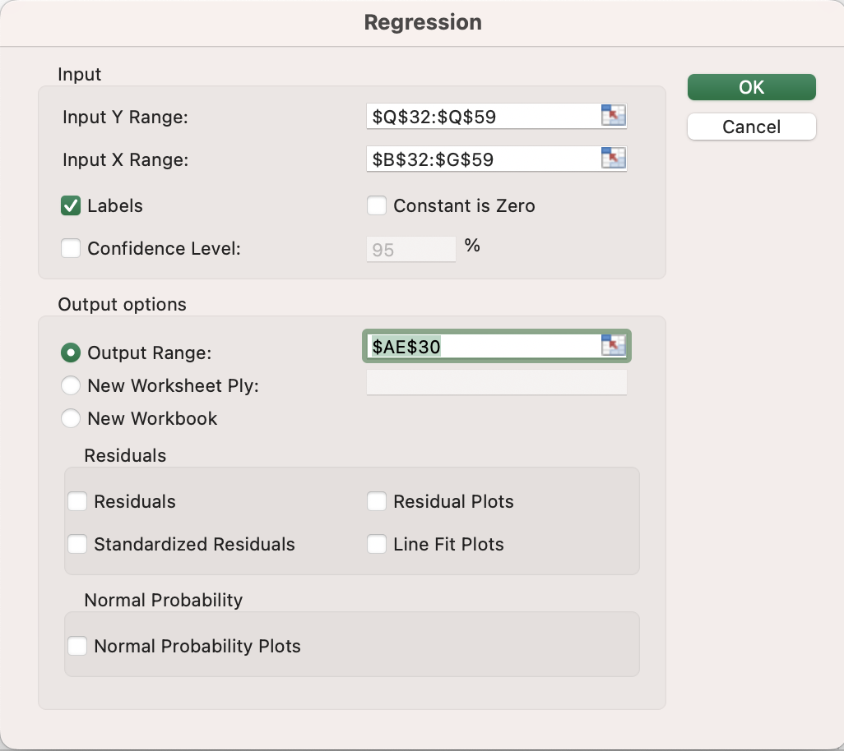
 | Regression Statistics
 | Multiple R | 0.99134772714
 | R Square | 0.9827703161
 | Adjusted R Square | 0.97760141093
 | Standard Error | 1.1879019787
 | Observations | 27

 | ANOVA
 |  | df | SS | MS | F | Significance F
 | Regression | 6 | 1609.7777778 | 268.2962963 | 190.1312336 | 1.4743658451E-16
 | Residual | 20 | 28.222222222 | 1.4111111111
 | Total | 26 | 1638

 |  | Coefficients | Standard Error | t Stat | P-value | Lower 95% | Upper 95% | Lower 95.0% | Upper 95.0%
 | Intercept | 2.6666666667 | 0.60485008176 | 4.4088059952 | 0.0002706005366 | 1.404971505 | 3.9283618283 | 1.404971505 | 3.9283618283
 | 2160 | 9.7777777778 | 0.55998236304 | 17.460867383 | 1.4176013491E-13 | 8.6096750374 | 10.945880518 | 8.6096750374 | 10.945880518
 | 4000 | 2.5555555556 | 0.55998236304 | 4.5636357933 | 0.00018864458608 | 1.3874528151 | 3.723658296 | 1.3874528151 | 3.723658296
 | 55 | -3.3333333333 | 0.55998236304 | -5.952568426 | 8.0395292713E-06 | -4.5014360737 | -2.1652305929 | -4.5014360737 | -2.1652305929
 | 65 | 1.6666666667 | 0.55998236304 | 2.976284213 | 0.0074635233891 | 0.49856392626 | 2.8347694071 | 0.49856392626 | 2.8347694071
 | 120 | 15.111111111 | 0.55998236304 | 26.984976865 | 3.3229857273E-17 | 13.943008371 | 16.279213852 | 13.943008371 | 16.279213852
 | 100 | 8.2222222222 | 0.55998236304 | 14.683002117 | 3.5659048961E-12 | 7.0541194818 | 9.3903249626 | 7.0541194818 | 9.3903249626

 | Table 11
 | SUMMARY OUTPUT PARTICIPANT 10

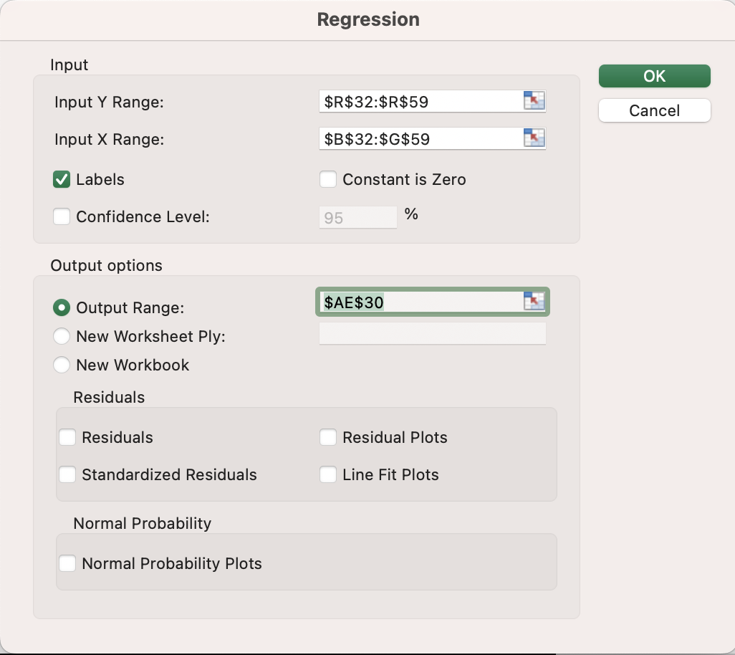
 | Regression Statistics
 | Multiple R | 0.99011530322
 | R Square | 0.98032831366
 | Adjusted R Square | 0.97442680776
 | Standard Error | 1.2692955176
 | Observations | 27

 | ANOVA
 |  | df | SS | MS | F | Significance F
 | Regression | 6 | 1605.7777778 | 267.62962963 | 166.11494253 | 5.5244264045E-16
 | Residual | 20 | 32.222222222 | 1.6111111111
 | Total | 26 | 1638

 |  | Coefficients | Standard Error | t Stat | P-value | Lower 95% | Upper 95% | Lower 95.0% | Upper 95.0%
 | Intercept | -2.1111111111 | 0.64629364321 | -3.2664890538 | 0.0038620351135 | -3.459256027 | -0.76296619518 | -3.459256027 | -0.76296619518
 | 2160 | 15 | 0.59835164524 | 25.068870654 | 1.3922649631E-16 | 13.751860339 | 16.248139661 | 13.751860339 | 16.248139661
 | 4000 | 10 | 0.59835164524 | 16.712580436 | 3.2262302745E-13 | 8.7518603394 | 11.248139661 | 8.7518603394 | 11.248139661
 | 55 | 6.7777777778 | 0.59835164524 | 11.327415629 | 3.7411894286E-10 | 5.5296381172 | 8.0259174384 | 5.5296381172 | 8.0259174384
 | 65 | 9.2222222222 | 0.59835164524 | 15.412713069 | 1.4573343391E-12 | 7.9740825616 | 10.470361883 | 7.9740825616 | 10.470361883
 | 120 | 5.5555555556 | 0.59835164524 | 9.2847669089 | 1.0854283439E-08 | 4.307415895 | 6.8036952161 | 4.307415895 | 6.8036952161
 | 100 | 1.7777777778 | 0.59835164524 | 2.9711254108 | 0.0075505130564 | 0.5296381172 | 3.0259174384 | 0.5296381172 | 3.0259174384

 | Table 12
 | SUMMARY OUTPUT PARTICIPANT 11

 | Regression Statistics
 | Multiple R | 0.98730237251
 | R Square | 0.97476597477
 | Adjusted R Square | 0.9671957672
 | Standard Error | 1.4375905769
 | Observations | 27

 | ANOVA
 |  | df | SS | MS | F | Significance F
 | Regression | 6 | 1596.6666667 | 266.11111111 | 128.76344086 | 6.595590873E-15
 | Residual | 20 | 41.333333333 | 2.0666666667
 | Total | 26 | 1638

 |  | Coefficients | Standard Error | t Stat | P-value | Lower 95% | Upper 95% | Lower 95.0% | Upper 95.0%
 | Intercept | -3.4444444444 | 0.73198529298 | -4.7056197406 | 0.00013564178543 | -4.9713390095 | -1.9175498794 | -4.9713390095 | -1.9175498794
 | 2160 | 8.2222222222 | 0.67768669698 | 12.132777962 | 1.1190304367E-10 | 6.8085925436 | 9.6358519008 | 6.8085925436 | 9.6358519008
 | 4000 | 11.444444444 | 0.67768669698 | 16.887515271 | 2.6543923409E-13 | 10.030814766 | 12.858074123 | 10.030814766 | 12.858074123
 | 55 | 8.8888888889 | 0.67768669698 | 13.116516716 | 2.7792404943E-11 | 7.4752592103 | 10.302518567 | 7.4752592103 | 10.302518567
 | 65 | 12.777777778 | 0.67768669698 | 18.854992779 | 3.317839779E-14 | 11.364148099 | 14.191407456 | 11.364148099 | 14.191407456
 | 120 | 6.4444444444 | 0.67768669698 | 9.5094746189 | 7.3204843917E-09 | 5.0308147659 | 7.858074123 | 5.0308147659 | 7.858074123
 | 100 | 4.5555555556 | 0.67768669698 | 6.7222148168 | 1.53395135E-06 | 3.141925877 | 5.9691852341 | 3.141925877 | 5.9691852341

 | Table 13
 | SUMMARY OUTPUT PARICIPANT 12


 | Regression Statistics
 | Multiple R | 0.99626217728
 | R Square | 0.99253832587
 | Adjusted R Square | 0.99029982363
 | Standard Error | 0.78173595997
 | Observations | 27

 | ANOVA
 |  | df | SS | MS | F | Significance F
 | Regression | 6 | 1625.7777778 | 270.96296296 | 443.39393939 | 3.4833320731E-20
 | Residual | 20 | 12.222222222 | 0.61111111111
 | Total | 26 | 1638

 |  | Coefficients | Standard Error | t Stat | P-value | Lower 95% | Upper 95% | Lower 95.0% | Upper 95.0%
 | Intercept | 9.2222222222 | 0.39804046778 | 23.169056839 | 6.404369649E-16 | 8.3919243559 | 10.052520089 | 8.3919243559 | 10.052520089
 | 2160 | 6.2222222222 | 0.3685138656 | 16.884635296 | 2.6628936036E-13 | 5.4535157688 | 6.9909286757 | 5.4535157688 | 6.9909286757
 | 4000 | 3.1111111111 | 0.3685138656 | 8.4423176482 | 5.0258426042E-08 | 2.3424046577 | 3.8798175646 | 2.3424046577 | 3.8798175646
 | 55 | 5.4444444444 | 0.3685138656 | 14.774055884 | 3.1827353526E-12 | 4.675737991 | 6.2131508979 | 4.675737991 | 6.2131508979
 | 65 | 1.2222222222 | 0.3685138656 | 3.3166247904 | 0.003442440019 | 0.45351576878 | 1.9909286757 | 0.45351576878 | 1.9909286757
 | 120 | -9.3333333333 | 0.3685138656 | -25.326952945 | 1.141174493E-16 | -10.102039787 | -8.5646268799 | -10.102039787 | -8.5646268799
 | 100 | 7.6666666667 | 0.3685138656 | 20.804282776 | 5.081141524E-15 | 6.8979602132 | 8.4353731201 | 6.8979602132 | 8.4353731201

 | Table 14
 | SUMMARY OUTPUT PARTICIPANT 13


 | Regression Statistics
 | Multiple R | 0.99093708947
 | R Square | 0.98195631529
 | Adjusted R Square | 0.97654320988
 | Standard Error | 1.2156388353
 | Observations | 27

 | ANOVA
 |  | df | SS | MS | F | Significance F
 | Regression | 6 | 1608.4444444 | 268.07407407 | 181.40350877 | 2.3357766995E-16
 | Residual | 20 | 29.555555556 | 1.4777777778
 | Total | 26 | 1638

 |  | Coefficients | Standard Error | t Stat | P-value | Lower 95% | Upper 95% | Lower 95.0% | Upper 95.0%
 | Intercept | -1.7777777778 | 0.61897299781 | -2.8721410854 | 0.0094213835357 | -3.0689328261 | -0.4866227295 | -3.0689328261 | -0.4866227295
 | 2160 | 9.5555555556 | 0.57305764259 | 16.674684788 | 3.3662957073E-13 | 8.3601782599 | 10.750932851 | 8.3601782599 | 10.750932851
 | 4000 | 15.111111111 | 0.57305764259 | 26.369268967 | 5.2092482877E-17 | 13.915733815 | 16.306488407 | 13.915733815 | 16.306488407
 | 55 | 2.1111111111 | 0.57305764259 | 3.6839419881 | 0.0014712101372 | 0.9157338155 | 3.3064884067 | 0.9157338155 | 3.3064884067
 | 65 | 3.8888888889 | 0.57305764259 | 6.7862089254 | 1.3412046797E-06 | 2.6935115933 | 5.0842661845 | 2.6935115933 | 5.0842661845
 | 120 | 6.3333333333 | 0.57305764259 | 11.051825964 | 5.7384793989E-10 | 5.1379560377 | 7.5287106289 | 5.1379560377 | 7.5287106289
 | 100 | 10.333333333 | 0.57305764259 | 18.031926573 | 7.7262798865E-14 | 9.1379560377 | 11.528710629 | 9.1379560377 | 11.528710629

 | Table 15
 | SUMMARY OUTPUT PARTICIPANT 14


 | Regression Statistics
 | Multiple R | 0.99864241045
 | R Square | 0.99728666395
 | Adjusted R Square | 0.99647266314
 | Standard Error | 0.47140452079
 | Observations | 27

 | ANOVA
 |  | df | SS | MS | F | Significance F
 | Regression | 6 | 1633.5555556 | 272.25925926 | 1225.1666667 | 1.4204783992E-24
 | Residual | 20 | 4.4444444444 | 0.22222222222
 | Total | 26 | 1638

 |  | Coefficients | Standard Error | t Stat | P-value | Lower 95% | Upper 95% | Lower 95.0% | Upper 95.0%
 | Intercept | 0.55555555556 | 0.24002743327 | 2.3145502494 | 0.031385349406 | 0.054867103404 | 1.0562440077 | 0.054867103404 | 1.0562440077
 | 2160 | 17.666666667 | 0.22222222222 | 79.5 | 1.7213071876E-26 | 17.203119234 | 18.130214099 | 17.203119234 | 18.130214099
 | 4000 | 9 | 0.22222222222 | 40.5 | 1.1401317057E-20 | 8.5364525673 | 9.4635474327 | 8.5364525673 | 9.4635474327
 | 55 | 4.6666666667 | 0.22222222222 | 21 | 4.2464826927E-15 | 4.2031192339 | 5.1302140994 | 4.2031192339 | 5.1302140994
 | 65 | 2.3333333333 | 0.22222222222 | 10.5 | 1.3842166277E-09 | 1.8697859006 | 2.7968807661 | 1.8697859006 | 2.7968807661
 | 120 | 5.2222222222 | 0.22222222222 | 23.5 | 4.8691520013E-16 | 4.7586747895 | 5.6857696549 | 4.7586747895 | 5.6857696549
 | 100 | 1.4444444444 | 0.22222222222 | 6.5 | 2.4554627878E-06 | 0.98089701172 | 1.9079918772 | 0.98089701172 | 1.9079918772

 | Table 16
 | SUMMARY OUTPUT PARTICIPANT 15


 | Regression Statistics
 | Multiple R | 0.99823477356
 | R Square | 0.99647266314
 | Adjusted R Square | 0.99541446208
 | Standard Error | 0.53748384989
 | Observations | 27

 | ANOVA
 |  | df | SS | MS | F | Significance F
 | Regression | 6 | 1632.2222222 | 272.03703704 | 941.66666667 | 1.9553458652E-23
 | Residual | 20 | 5.7777777778 | 0.28888888889
 | Total | 26 | 1638

 |  | Coefficients | Standard Error | t Stat | P-value | Lower 95% | Upper 95% | Lower 95.0% | Upper 95.0%
 | Intercept | 9 | 0.27367338077 | 32.885916689 | 6.9204325689E-19 | 8.4291273312 | 9.5708726688 | 8.4291273312 | 9.5708726688
 | 2160 | 9 | 0.25337231669 | 35.520849782 | 1.5185641509E-19 | 8.4714746088 | 9.5285253912 | 8.4714746088 | 9.5285253912
 | 4000 | -8.6666666667 | 0.25337231669 | -34.205262753 | 3.1928070321E-19 | -9.1951920578 | -8.1381412755 | -9.1951920578 | -8.1381412755
 | 55 | 4 | 0.25337231669 | 15.787044348 | 9.3377420973E-13 | 3.4714746088 | 4.5285253912 | 3.4714746088 | 4.5285253912
 | 65 | 6 | 0.25337231669 | 23.680566521 | 4.1992410738E-16 | 5.4714746088 | 6.5285253912 | 5.4714746088 | 6.5285253912
 | 120 | 3.5555555556 | 0.25337231669 | 14.032928309 | 8.1707352067E-12 | 3.0270301644 | 4.0840809467 | 3.0270301644 | 4.0840809467
 | 100 | 1.1111111111 | 0.25337231669 | 4.3852900965 | 0.0002858648186 | 0.58258571995 | 1.6396365023 | 0.58258571995 | 1.6396365023

 | Table 17
 | SUMMARY OUTPUT PARTICIPANT 16


 | Regression Statistics
 | Multiple R | 0.99360320077
 | R Square | 0.98724732058
 | Adjusted R Square | 0.98342151675
 | Standard Error | 1.0219806478
 | Observations | 27

 | ANOVA
 |  | df | SS | MS | F | Significance F
 | Regression | 6 | 1617.1111111 | 269.51851852 | 258.04964539 | 7.3355077329E-18
 | Residual | 20 | 20.888888889 | 1.0444444444
 | Total | 26 | 1638

 |  | Coefficients | Standard Error | t Stat | P-value | Lower 95% | Upper 95% | Lower 95.0% | Upper 95.0%
 | Intercept | 3.7777777778 | 0.52036707525 | 7.259832448 | 5.0499005343E-07 | 2.6923110796 | 4.8632444759 | 2.6923110796 | 4.8632444759
 | 2160 | 7.4444444444 | 0.48176629753 | 15.452397734 | 1.3895549485E-12 | 6.4394975577 | 8.4493913312 | 6.4394975577 | 8.4493913312
 | 4000 | 16.222222222 | 0.48176629753 | 33.672389093 | 4.3484099987E-19 | 15.217275335 | 17.227169109 | 15.217275335 | 17.227169109
 | 55 | 6 | 0.48176629753 | 12.454171308 | 7.0323799556E-11 | 4.9950531132 | 7.0049468868 | 4.9950531132 | 7.0049468868
 | 65 | 1.6666666667 | 0.48176629753 | 3.4594920301 | 0.0024766820034 | 0.6617197799 | 2.6716135534 | 0.6617197799 | 2.6716135534
 | 120 | 3.4444444444 | 0.48176629753 | 7.1496168622 | 6.3216703332E-07 | 2.4394975577 | 4.4493913312 | 2.4394975577 | 4.4493913312
 | 100 | -4.1111111111 | 0.48176629753 | -8.5334136743 | 4.239766499E-08 | -5.1160579979 | -3.1061642243 | -5.1160579979 | -3.1061642243

 | Table 18
 | SUMMARY OUTPUT PARTICIPANT 17

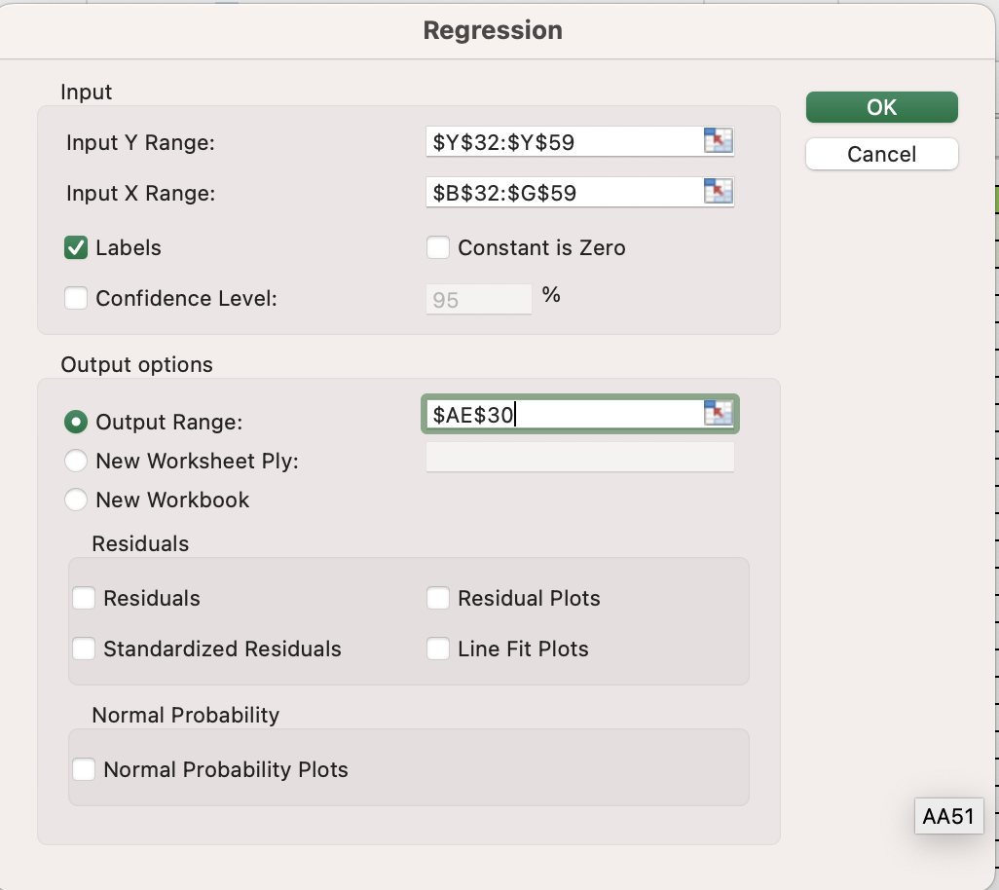
 | Regression Statistics
 | Multiple R | 0.98702751104
 | R Square | 0.97422330756
 | Adjusted R Square | 0.96649029982
 | Standard Error | 1.4529663145
 | Observations | 27

 | ANOVA
 |  | df | SS | MS | F | Significance F
 | Regression | 6 | 1595.7777778 | 265.96296296 | 125.98245614 | 8.1512026191E-15
 | Residual | 20 | 42.222222222 | 2.1111111111
 | Total | 26 | 1638

 |  | Coefficients | Standard Error | t Stat | P-value | Lower 95% | Upper 95% | Lower 95.0% | Upper 95.0%
 | Intercept | 0.55555555556 | 0.73981423539 | 0.75093926148 | 0.46143410555 | -0.98766989723 | 2.0987810083 | -0.98766989723 | 2.0987810083
 | 2160 | 5.6666666667 | 0.68493488922 | 8.2732924777 | 6.9104927528E-08 | 4.237917524 | 7.0954158093 | 4.237917524 | 7.0954158093
 | 4000 | -2 | 0.68493488922 | -2.9199855804 | 0.0084673710966 | -3.4287491427 | -0.57125085733 | -3.4287491427 | -0.57125085733
 | 55 | 3.2222222222 | 0.68493488922 | 4.7044212128 | 0.00013601934489 | 1.7934730796 | 4.6509713649 | 1.7934730796 | 4.6509713649
 | 65 | 6.7777777778 | 0.68493488922 | 9.895506689 | 3.7739138253E-09 | 5.3490286351 | 8.2065269204 | 5.3490286351 | 8.2065269204
 | 120 | 14.777777778 | 0.68493488922 | 21.57544901 | 2.5275314911E-15 | 13.349028635 | 16.20652692 | 13.349028635 | 16.20652692
 | 100 | 11.888888889 | 0.68493488922 | 17.357692061 | 1.5848503835E-13 | 10.460139746 | 13.317638032 | 10.460139746 | 13.317638032

 | Table 19
 | SUMMARY OUTPUT PARTICPANT 18
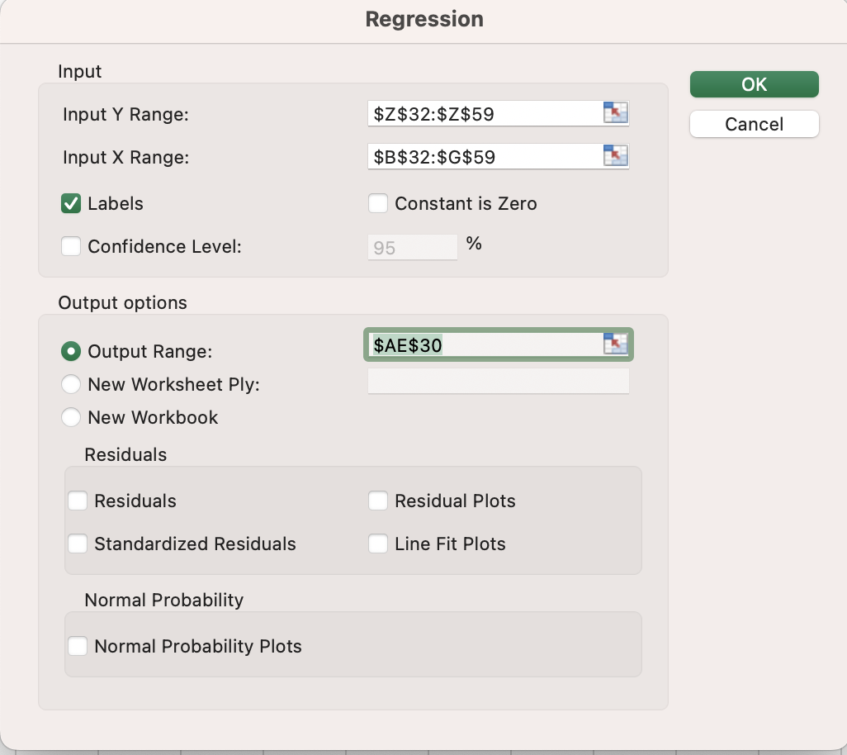
 | Regression Statistics
 | Multiple R | 0.99612599217
 | R Square | 0.99226699227
 | Adjusted R Square | 0.98994708995
 | Standard Error | 0.79582242575
 | Observations | 27

 | ANOVA
 |  | df | SS | MS | F | Significance F
 | Regression | 6 | 1625.3333333 | 270.88888889 | 427.71929825 | 4.9762341896E-20
 | Residual | 20 | 12.666666667 | 0.63333333333
 | Total | 26 | 1638

 |  | Coefficients | Standard Error | t Stat | P-value | Lower 95% | Upper 95% | Lower 95.0% | Upper 95.0%
 | Intercept | 10.222222222 | 0.40521294508 | 25.226790867 | 1.2324617511E-16 | 9.3769628304 | 11.067481614 | 9.3769628304 | 11.067481614
 | 2160 | 1.7777777778 | 0.37515428925 | 4.7387910221 | 0.00012560231874 | 0.99521964332 | 2.5603359122 | 0.99521964332 | 2.5603359122
 | 4000 | 6.2222222222 | 0.37515428925 | 16.585768577 | 3.7205102611E-13 | 5.4396640878 | 7.0047803567 | 5.4396640878 | 7.0047803567
 | 55 | 3.7777777778 | 0.37515428925 | 10.069930922 | 2.8135694277E-09 | 2.9952196433 | 4.5603359122 | 2.9952196433 | 4.5603359122
 | 65 | 1.2222222222 | 0.37515428925 | 3.2579188277 | 0.0039385950191 | 0.43966408777 | 2.0047803567 | 0.43966408777 | 2.0047803567
 | 120 | -9.5555555556 | 0.37515428925 | -25.471001744 | 1.0221263332E-16 | -10.33811369 | -8.7729974211 | -10.33811369 | -8.7729974211
 | 100 | 7.8888888889 | 0.37515428925 | 21.02838516 | 4.137920245E-15 | 7.1063307544 | 8.6714470233 | 7.1063307544 | 8.6714470233

 | Table 20
 | SUMMARY OUTPUT PARTICPANT 19

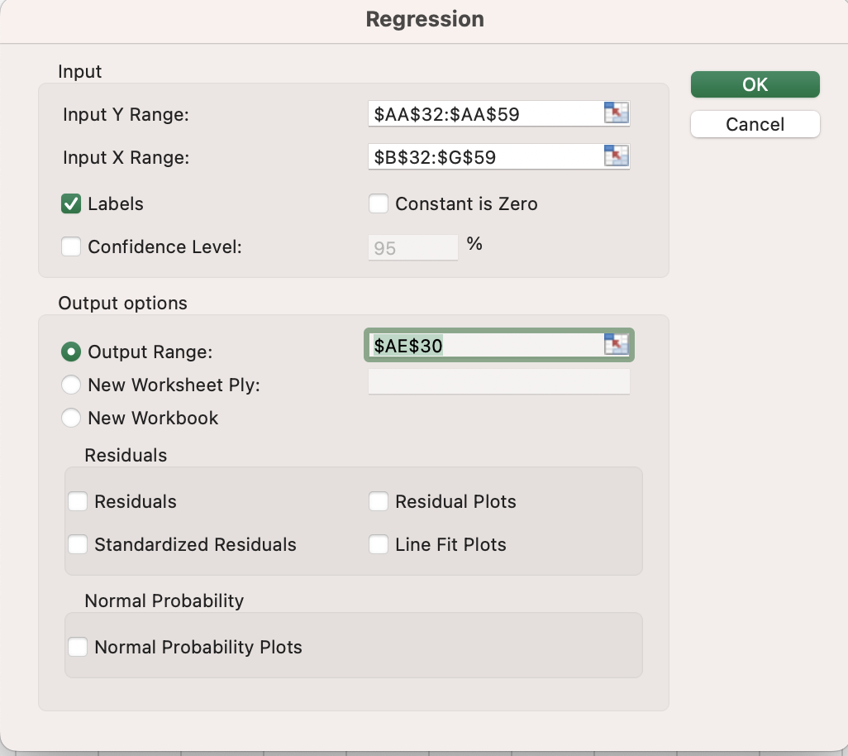
 | Regression Statistics
 | Multiple R | 0.99264695907
 | R Square | 0.98534798535
 | Adjusted R Square | 0.98095238095
 | Standard Error | 1.095445115
 | Observations | 27

 | ANOVA
 |  | df | SS | MS | F | Significance F
 | Regression | 6 | 1614 | 269 | 224.16666667 | 2.9300206189E-17
 | Residual | 20 | 24 | 1.2
 | Total | 26 | 1638

 |  | Coefficients | Standard Error | t Stat | P-value | Lower 95% | Upper 95% | Lower 95.0% | Upper 95.0%
 | Intercept | -1.8888888889 | 0.55777335102 | -3.3864810598 | 0.0029313053551 | -3.052383711 | -0.7253940668 | -3.052383711 | -0.7253940668
 | 2160 | 3.2222222222 | 0.51639777949 | 6.2398065022 | 4.2945284094E-06 | 2.1450353299 | 4.2994091145 | 2.1450353299 | 4.2994091145
 | 4000 | 6.7777777778 | 0.51639777949 | 13.125110229 | 2.7466461874E-11 | 5.7005908855 | 7.8549646701 | 5.7005908855 | 7.8549646701
 | 55 | 4.8888888889 | 0.51639777949 | 9.4672926241 | 7.8785977271E-09 | 3.8117019966 | 5.9660757812 | 3.8117019966 | 5.9660757812
 | 65 | 7.4444444444 | 0.51639777949 | 14.416104678 | 4.9931309845E-12 | 6.3672575522 | 8.5216313367 | 6.3672575522 | 8.5216313367
 | 120 | 9.4444444444 | 0.51639777949 | 18.289088024 | 5.9113521326E-14 | 8.3672575522 | 10.521631337 | 8.3672575522 | 10.521631337
 | 100 | 15.888888889 | 0.51639777949 | 30.768701028 | 2.5553279379E-18 | 14.811701997 | 16.966075781 | 14.811701997 | 16.966075781

 | Table 21
 | SUMMARY OUTPUT PARTICIPANT 20
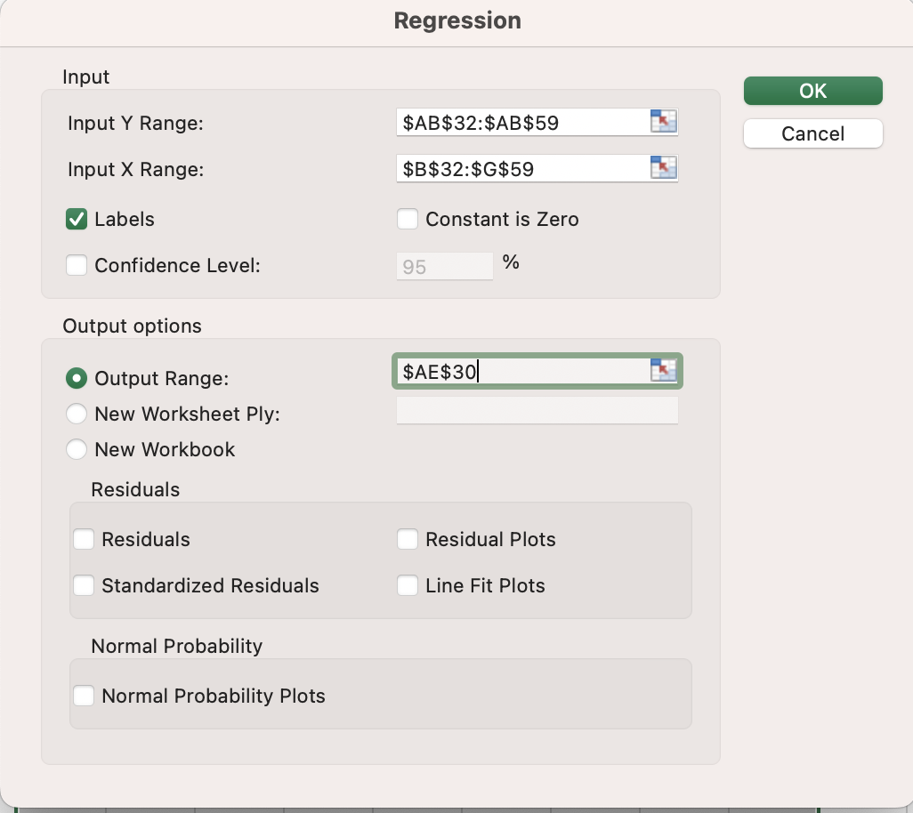
 | Regression Statistics
 | Multiple R | 0.99646642005
 | R Square | 0.99294532628
 | Adjusted R Square | 0.99082892416
 | Standard Error | 0.76011695007
 | Observations | 27

 | ANOVA
 |  | df | SS | MS | F | Significance F
 | Regression | 6 | 1626.4444444 | 271.07407407 | 469.16666667 | 1.989412832E-20
 | Residual | 20 | 11.555555556 | 0.57777777778
 | Total | 26 | 1638

 |  | Coefficients | Standard Error | t Stat | P-value | Lower 95% | Upper 95% | Lower 95.0% | Upper 95.0%
 | Intercept | 2.1111111111 | 0.38703260674 | 5.4546078918 | 2.4395926078E-05 | 1.3037752405 | 2.9184469817 | 1.3037752405 | 2.9184469817
 | 2160 | 17 | 0.35832256659 | 47.44328598 | 4.9674142586E-22 | 16.252552224 | 17.747447776 | 16.252552224 | 17.747447776
 | 4000 | 8 | 0.35832256659 | 22.326252226 | 1.3088406061E-15 | 7.2525522238 | 8.7474477762 | 7.2525522238 | 8.7474477762
 | 55 | 4.4444444444 | 0.35832256659 | 12.403473459 | 7.5623013958E-11 | 3.6969966682 | 5.1918922207 | 3.6969966682 | 5.1918922207
 | 65 | -1.7777777778 | 0.35832256659 | -4.9613893836 | 7.5113207766E-05 | -2.525225554 | -1.0303300015 | -2.525225554 | -1.0303300015
 | 120 | 5.5555555556 | 0.35832256659 | 15.504341824 | 1.3057831306E-12 | 4.8081077793 | 6.3030033318 | 4.8081077793 | 6.3030033318
 | 100 | 2.4444444444 | 0.35832256659 | 6.8219104024 | 1.2446971955E-06 | 1.6969966682 | 3.1918922207 | 1.6969966682 | 3.1918922207

TABLE 22
Two-Product Strategy (Segmentation-Based Strategy) WITH A NEW PRODUCT PROFILE
Utilities of existing products |  | Samsung | 17.1111 | 23.0000 | 19.3333 | 16.3333 | 17.8889 | -1.3333 | 12.6667 | 11.5556 | 24.8889 | 20.5556 | 14.6667 | -3.1111 | 15.8889 | 22.8889 | 12.5556 | 10.8889 | 20.4444 | -7.7778 | 12.6667 | 22.5556
 |  | LG | 24.4444 | 16.4444 | 25.7778 | 27.0000 | 22.7778 | -0.7778 | 20.4444 | 24.5556 | 14.3333 | 22.3333 | 26.7778 | -0.7778 | 23.5556 | 18.8889 | -1.1111 | 25.6667 | 16.0000 | 0.4444 | 21.1111 | 18.0000

Utilities of new products |  | Profile 18 | 20.3333 | 25.8889 | 27.0000 | 29.5556 | 25.2222 | 2.3333 | 23.7778 | 19.1111 | 21.5556 | 27.3333 | 23.5556 | 2.3333 | 18.0000 | 27.5556 | 16.5556 | 16.8889 | 23.6667 | -4.0000 | 17.5556 | 27.0000
 |  | Profile 24 | 24.8889 | 28.8889 | 27.2222 | 20.6667 | 30.2222 | -8.8889 | 16.8889 | 21.4444 | 19.6667 | 26.0000 | 25.5556 | 15.1111 | 23.7778 | 21.4444 | 16.1111 | 5.0000 | 24.3333 | 10.8889 | 26.5556 | 17.6667
 |  | Profile 20 | 21.8889 | 27.7778 | 29.3333 | 26.1111 | 26.8889 | -3.6667 | 26.2222 | 15.3333 | 26.5556 | 29.7778 | 27.4444 | -1.8889 | 19.7778 | 25.2222 | 18.5556 | 12.5556 | 27.2222 | -6.5556 | 20.1111 | 20.7778
 |  |  |  |  |  |  |  |  |  |  |  |  |  |  |  |  |  |  |  |  |  |  | Market Shares
Purchase probabilities |  | Profile 18 | 0.64% | 4.73% | 39.31% | 92.78% | 0.67% | 93.45% | 96.46% | 0.41% | 3.43% | 78.65% | 2.99% | 0.00% | 0.17% | 98.83% | 60.26% | 0.02% | 33.47% | 0.00% | 0.01% | 98.82% | 35.25%
 |  | Profile 24 | 60.53% | 95.01% | 49.09% | 0.01% | 99.27% | 0.00% | 0.10% | 4.25% | 0.52% | 20.73% | 22.07% | 100.00% | 55.43% | 0.22% | 38.64% | 0.00% | 65.18% | 100.00% | 99.56% | 0.01% | 40.53%
 |  | Profile 20 | 7.09% | 86.23% | 88.84% | 2.88% | 82.96% | 0.23% | 91.75% | 0.01% | 83.64% | 91.96% | 65.19% | 1.38% | 2.23% | 8.76% | 87.89% | 0.00% | 97.11% | 0.09% | 26.34% | 0.20% | 41.24%
Two product profiles to be offered | 18 & 24
Market share | 75.78%
Two product profiles to be offered | 18 & 20
Market share | 76.49%
Differences in Market share | 0.71%

TABLE 23
Profitability Calculations
Total market size |  |  | 50,000
Additional cost of offering two products |  |  | $5,000,000.00
Margin from a product |  |  | $400.00
Profit with one product |  |  | $11,472,000.00
Profit with 18 & 24 |  |  | $10,156,997.94
Profit with 18 & 20 |  |  | $10,298,741.96
Differences between the Two-Product Strategies |  |  | $141,744.02

TABLE 24 |  |  | Year
Profit Forecast Comparison over ten year period |  |  | 0 | 1 | 2 | 3 | 4 | 5 | 6 | 7 | 8 | 9 | 10
Profit with one product |  |  | $11,472,000.00 | $13,766,400.00 | $16,519,680.00 | $19,823,616.00 | $23,788,339.20 | $28,546,007.04 | $34,255,208.45 | $41,106,250.14 | $49,327,500.17 | $59,193,000.20 | $71,031,600.24
Profit with 18 & 24 |  |  | $10,156,997.94 | $12,188,397.53 | $14,626,077.03 | $17,551,292.44 | $21,061,550.93 | $25,273,861.11 | $30,328,633.34 | $36,394,360.00 | $43,673,232.01 | $52,407,878.41 | $62,889,454.09
Profit with 18 & 20 |  |  | $10,298,741.96 | $12,358,490.35 | $14,830,188.42 | $17,796,226.10 | $21,355,471.32 | $25,626,565.58 | $30,751,878.70 | $36,902,254.44 | $44,282,705.33 | $53,139,246.39 | $63,767,095.67

FIGURE 1
Profit Forecast Comparison Various Product Strategies

